8T soho switch
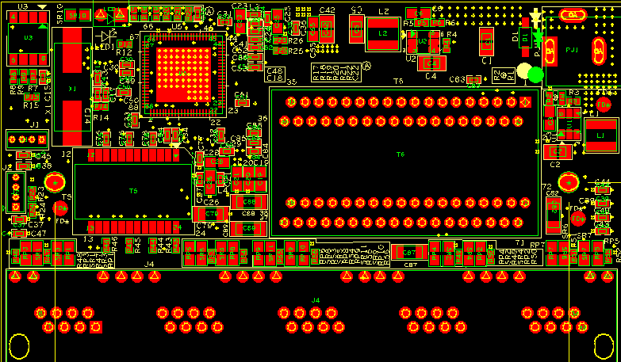
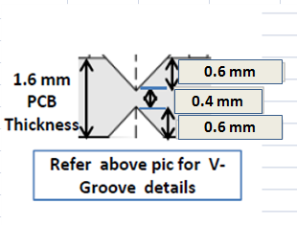
53.01mm
127.77mm
8mm
114.02 mm
6mm
Cut-out's
6mm
6mm
5 mm
F1
F2
F3
Dia 3.0mm tooling holes
10 mm
Dia 1.0 marks on both sides, with Dia 3.0 opening
All Fiducial should be 3mm away from PCB edge to fiducial edge
273.54 mm

